Report
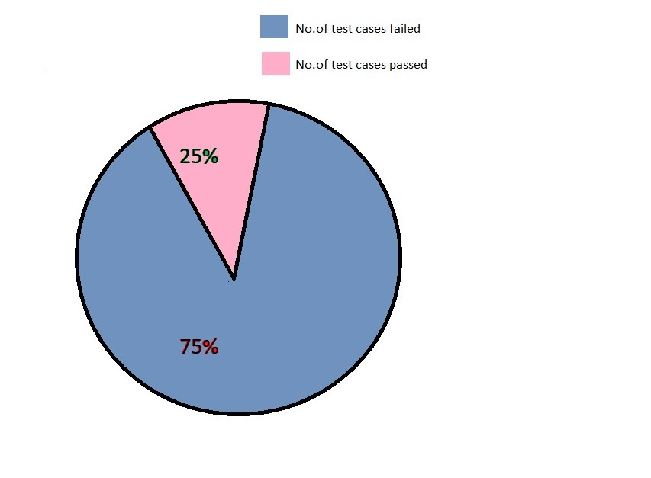
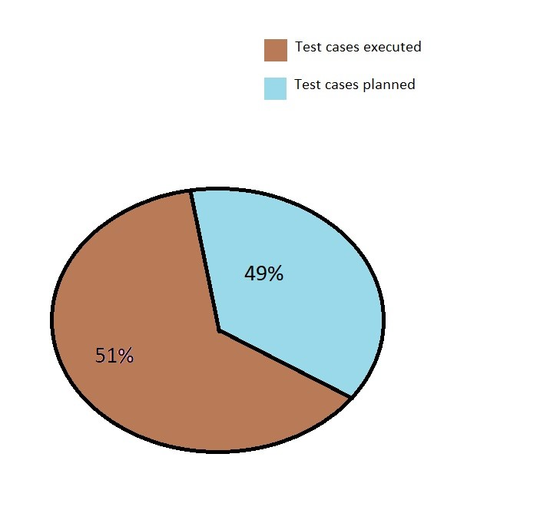

1.Test cases planned vs executed | 2.Test cases passed vs failed

